original_subproblem
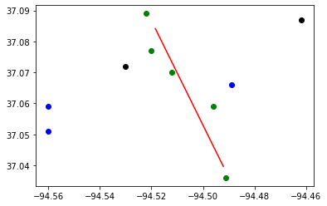
Budget : | 30000000 | Tornado Length: | 5
Best Bound: | 178
Best Objective: | 178
Gap: | 0
CCG Run time: | 4483.95
CCG Iteration: | 3
Subproblem Run time: | 4483.78
Number of Subproblem Callbacks: | 18
Subproblem Callbacks Run Time: | 0.92
Number of Uncertainty Set Check Call: | 0
Uncertainty Set Check Run Time: | 0
Head of worst tornado: | -94.518 | 37.084
Tail of worst tornado: | -94.492 | 37.04

Block ID | coordinate_x | coordinate_y | Population | Retrofitting | Retrofitting Cost | Damaged? | Recovery Cost | Dislocation
290970109002054 | -94.56 | 37.059 | 8 | R3 | 10270 | NO | 0 | 0
291450206011006 | -94.56 | 37.051 | 76 | R3 | 23992 | NO | 0 | 0
290970108001012 | -94.53 | 37.072 | 46 | Do_nothing | 0 | NO | 0 | 0
290970110001023 | -94.522 | 37.089 | 61 | R3 | 16865 | YES | 770916 | 38
290970110005058 | -94.52 | 37.077 | 1 | R1 | 2798 | YES | 278303 | 1
290970106004033 | -94.512 | 37.07 | 24 | R3 | 8510 | YES | 326357 | 15
290970107003021 | -94.496 | 37.059 | 73 | R3 | 21628 | YES | 760873 | 46
291450205013012 | -94.491 | 37.036 | 124 | R3 | 15781 | YES | 2136555 | 78
290970105005010 | -94.489 | 37.066 | 60 | R3 | 16420 | NO | 0 | 0
290970104001019 | -94.462 | 37.087 | 15 | Do_nothing | 0 | NO | 0 | 0

